INPUT
For the 12 months ended: | 2018-12-31 |  | # of Work Papers
Rates effective: | 2019-06-01 |  | 17

 |  | Per 2018 FERC Form 1
 | Form No. 1
DESCRIPTION | Page, Line, Col. | DEO | DEK | DEOK

GROSS PLANT IN SERVICE
Production | 205.46.g | $- | $1,195,710,449 | $1,195,710,449
Transmission | 207.58.g | 939,500,769 | 58,283,428 | 997,784,197
Distribution | 207.75.g | 2,692,790,384 | 484,361,125 | 3,177,151,509
General & Intangible | 205.5.g & 207.99.g | 315,875,186 | 30,788,868 | 346,664,054
Common | 356 (Total Common x Elec Dept %) | 238,460,495 | 36,195,234 | 274,655,729
TOTAL GROSS PLANT |  | $4,186,626,834 | $1,805,339,104 | $5,991,965,938

ACCUMULATED DEPRECIATION
Production | 219.20.c-219.24.c | $- | $596,756,722 | $596,756,722
Transmission | 219.25.c | 217,295,556 | 19,575,675 | 236,871,231
Distribution | 219.26.c | 743,958,083 | 152,298,366 | 896,256,449
General & Intangible | 200.21.c & 219.28.c | 130,416,000 | 14,831,936 | 145,247,936
Common | 356 | 91,048,508 | 27,327,944 | 118,376,452
TOTAL ACCUM. DEPRECIATION |  | $1,182,718,147 | $810,790,643 | $1,993,508,790

NET PLANT IN SERVICE
Production | Calculated | $- | $598,953,727 | $598,953,727
Transmission | Calculated | 722,205,213 | 38,707,753 | 760,912,966
Distribution | Calculated | 1,948,832,301 | 332,062,759 | 2,280,895,060
General & Intangible | Calculated | 185,459,186 | 15,956,932 | 201,416,118
Common | Calculated | 147,411,987 | 8,867,290 | 156,279,277
TOTAL NET PLANT |  | $3,003,908,687 | $994,548,461 | $3,998,457,148

ADJUSTMENTS TO RATE BASE
Account No. 281 (enter negative) | 273.8.k | $- | $- | $-
Account No. 282 (enter negative) | Exhibit No. DUK-102, Pg. 1 | (751,483,578) | (264,193,027) | (1,015,676,605)
Account No. 283 (enter negative) | Exhibit No. DUK-102, Pg. 1 | (48,166,249) | (33,285,128) | (81,451,377)
Account No. 190 | Exhibit No. DUK-102, Pg. 1 | 55,713,760 | 38,485,857 | 94,199,617
Account No. 255 (enter negative) | 267.8.h | 0 | 0 | 0
TOTAL ADJUSTMENTS |  | $(743,936,067) | $(258,992,298) | $(1,002,928,365)

LAND HELD FOR FUTURE USE (Note G) | 214.x.d [Exhibit No. DUK-102, Pg. 3] | $324,654 | $- | $324,654

WORKING CAPITAL
CWC | calculated | $7,673,207 | $2,502,745 | $10,175,952
Materials & Supplies (Note G) | Exhibit No. DUK-102, Pg. 2 | 20,259,071 | 4,000 | 20,263,071
Prepayments (Account 165) | 111.57.c | 58,479 | 634,866 | 693,345
TOTAL WORKING CAPITAL |  | $27,990,757 | $3,141,611 | $31,132,368

RATE BASE |  | $2,288,288,031 | $738,697,774 | $3,026,985,805

O&M
Transmission | 321.112.b | $7,812,840 | $12,673,766 | $20,486,606
Less LSE Expenses included in Transmission O&M Accounts (Note V) | 321.88.b, 92.b | (9,601,825) | (3,345,731) | (12,947,556)
Less Midwest ISO Exit Fees included in Transmission O&M | (Note X) | 0 | 0 | 0
Less EPRI Annual Membership Dues (Note I) | Exhibit No. DUK-102, Pg. 4 | 282,229 | 260,519 | 542,748
Less Account 565 | 321.96.b | (13,232) | 13,909,634 | 13,896,402
A&G | Exhibit No. DUK-102, Pg. 5 | 51,005,709 | 20,124,695 | 71,130,404
PBOP Expense excluding Pension Expense included in line 3 for information only | (Note E) | 2,198,592 | 677,305 | 2,875,897
Less PJM Integration Costs included in A&G | (Note Y) | 0 | 0 | 0
Less Internal Integration Costs included in A&G | (Note Z) | 0 | 0 | 0
Less FERC Annual Fees | 350.b | 0 | 0 | 0
Less EPRI & Reg. Comm. Exp. & Non-safety Advertising (Note I) | Exhibit No. DUK-102, Pg. 4 | 1,970,669 | 893,319 | 2,863,988
Plus Transmission Related Reg. Comm. Exp. (Note I) |  | 0 | 0 | 0
Common | 356 | 0 | 0 | 0
Transmission Lease Payments |  | 0 | 0 | 0
TOTAL O&M (sum lines 1, 3, 5a, 6, 7 less lines 1a, 1b, 1c, 2, 3b, 4, 5) |  | $66,180,708 | $21,080,720 | $87,261,428

DEPRECIATION EXPENSE
Transmission | 336.7.f | $15,575,285 | $1,242,440 | $16,817,725
General & Intangible | 336.1.f & 336.10.f | 21,149,637 | 2,852,871 | 24,002,508
Common | 336.11.f | 9,295,958 | 244,583 | 9,540,541
TOTAL DEPRECIATION (Sum lines 9 - 11) |  | $46,020,880 | $4,339,894 | $50,360,774

TAXES OTHER THAN INCOME TAXES
LABOR RELATED
Payroll | 263.i. | $4,106,171 | $1,881,602 | $5,987,773
Highway and vehicle | 263.i. | 3,863 | 1,217 | 5,080
PLANT RELATED |  |  |  | 0
Property | 263.i. | 141,234,636 | 9,562,575 | 150,797,211
Gross Receipts | 263.i. | 2,702,889 | 0 | 2,702,889
Other | 263.i | 0 | 0 | 0
Payments in lieu of taxes |  | 0 | 0 | 0
TOTAL OTHER TAXES (sum lines 13 - 19) |  | $148,047,559 | $11,445,394 | $159,492,953

INCOME TAXE RATES
Federal Income Tax (FIT) |  | 21.000000% | 21.000000%
State Income Tax (SIT) or Composite SIT |  | 0.000000% | 5.000000%
(percent of federal income tax deductible for state purposes) |  | 0.000000% | 0.000000%
Effective Income Tax Rate |  | 21.000000% | 24.950000%

Amortized Investment Tax Credit | 266.8.f (enter negative) | (233,230) | (11,335) | (244,565)

TRANSMISSION PLANT INCLUDED IN ISO RATES

Less transmission plant excluded from ISO rates (Note M) |  | 0 | 0 | 0
Less transmission plant included in OATT Ancillary Services (Note N) | Exhibit No. DUK-102, Pg. 7 | 0 | 16,503,955 | 16,503,955

TRANSMISSION EXPENSES

(561.1) Load Dispatch-Reliability | 321.85.b | 596,947 | 93,821 | 690,768
(561.2) Load Dispatch-Monitor & Operate Transmission System | 321.86.b | 2,900,708 | 435,265 | 3,335,973
(561.3) Load Dispatch-Transmission Service & Scheduling | 321.87.b | 403,997 | 59,242 | 463,239
Less transmission expenses included in OATT Ancillary Services (Note L) | 321.85-87.b | 3,901,652 | 588,328 | 4,489,980

WAGES & SALARY ALLOCATOR (W&S)
 |  | $ | $
Production | 354.20.b | 2,438,772 | 13,293,182 | 15,731,954
Transmission | 354.21.b | 6,961,691 | 968,723 | 7,930,414
Distribution | 354.23.b | 23,857,199 | 3,967,747 | 27,824,946
Other | 354.24,25,26.b | 10,783,480 | 2,586,535 | 13,370,015
Total (sum lines 12-15) |  | 44,041,142 | 20,816,187 | 64,857,329

COMMON PLANT ALLOCATOR (CE) (Note O)
 |  | $ | $
Electric | 200.3.c | 3,153,189,130 | 1,434,470,606 | 4,587,659,736
Gas | 201.3.d | 1,553,882,234 | 367,448,615 | 1,921,330,849
Water | 201.3.e | 0 | 0 | 0
Total (sum lines 17 - 19) |  | 4,707,071,364 | 1,801,919,221 | 6,508,990,585

RETURN (R)
Interest on Long-Term Debt (427) | 117.62.c | 81,274,665 | 18,328,365 | 99,603,030
Amort. Of Debt Disc. And Expense (428) | 117.63.c | 3,084,894 | 329,160 | 3,414,054
Amort. Of Loss on Reacquired Debt (428.1) | 117.64.c | 445,504 | 266,474 | 711,978
(Less) Amort. Of Premium on Debt-Credit (429) | 117.65.c | (473,735) | - | (473,735)
(Less) Amort. Of Gain on Reacquired Debt-Credit (429.1) | 117.66c | - | - | 0
Interest on Debt to Assoc. Companies (429.1) | 117.67.c | - | 566,390 | 566,390
Long Term Interest (117, sum of 62.c through 67.c) |  | 84,331,328 | 19,490,389 | 103,821,717

Preferred Dividends (118.29.c) (positive number) |  | 0 | 0 | 0

Development of Common Stock:
Proprietary Capital (112.16.c) | Exhibit No. DUK-102, Pg. 9 | 2,708,505,516 | 596,223,648 | 3,304,729,164
(Less) Preferred Stock (112.3.c) |  | 0 | 0 | 0
(Less) Account 216.1 (112.12.c) (enter negative) |  | (581,684,069) | 0 | (581,684,069)
Common Stock |  | 2,126,821,447 | 596,223,648 | 2,723,045,095

 | (Note P) | $ | $
Bonds (221) | 112.18.c | 1,100,000,000 | 0 | 1,100,000,000
(Less) Reacquired Bonds (222) | 112.19.c | 0 | 0 | 0
Advances from Associated Companies (223) | 112.20.c | 0 | 25,000,000 | 25,000,000
Other Lon-Term Debt (224) | 112.21.c | 550,000,000 | 526,720,000 | 1,076,720,000
Long Term Debt (112, sum of 18.c through 21.c) |  | 1,650,000,000 | 551,720,000 | 2,201,720,000
Preferred Stock (112.3.c) |  | 0 | 0 | 0
Common Stock (line 26) |  | 2,126,821,447 | 596,223,648 | 2,723,045,095
Total (sum lines 27-29) |  | 3,776,821,447 | 1,147,943,648 | 4,924,765,095

REVENUE CREDITS

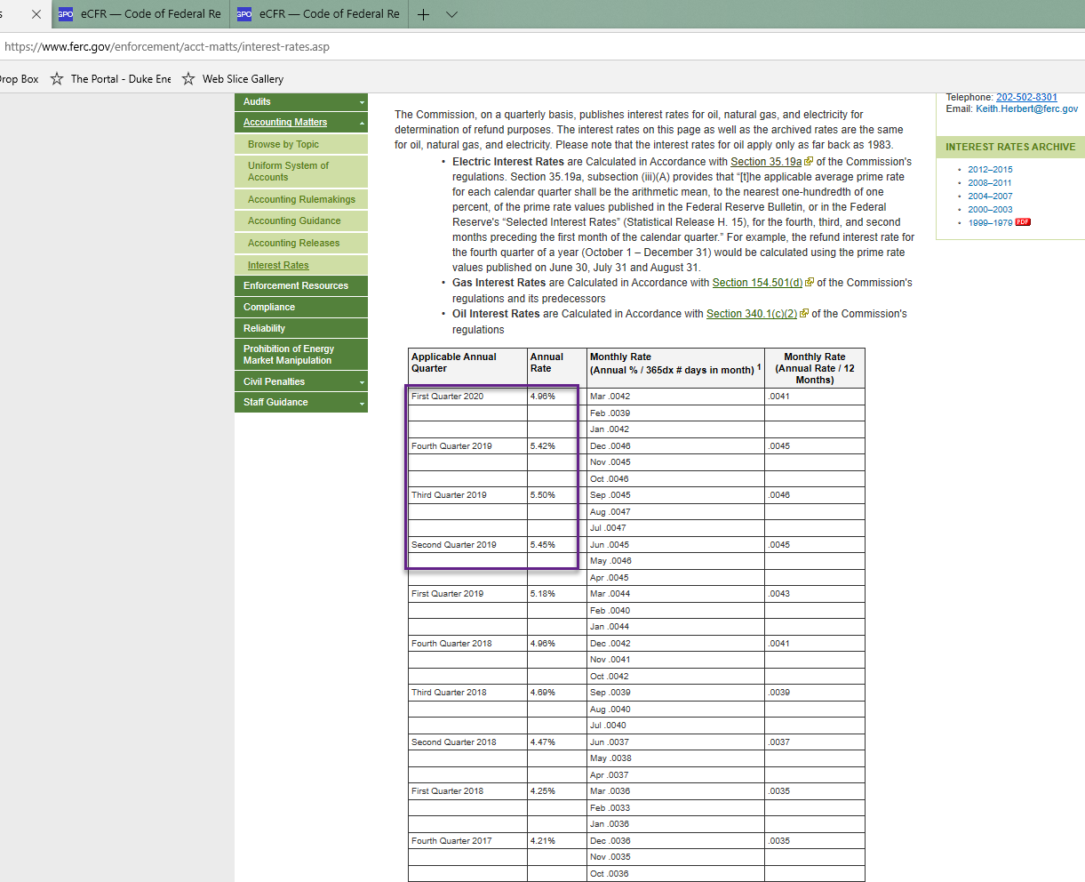
a. Bundled Non-RQ Sales for Resale (311.x.h) |  | 0 | 0 | 0 | January 2020, there was discussion on what the refund rate should be. We settled on using the highest rate from the most recent four quarters to prevent any kind of dispute.
b. Bundled Sales for Resale included in Divisor on page 1 |  | 0 | 0 | 0 | Libbie Miller 1/23/20
Total of (a)-(b)

ACCOUNT 454 (RENT FROM ELECTRIC PROPERTY) (Note R) | Exhibit No. DUK-102, Pg. 8 | $175,445 | $14,039 | $189,484

ACCOUNT 456.1 (OTHER ELECTRIC REVENUES) (Note U) | Exhibit No. DUK-102, Pg. 8 | $663,115 | $29,155 | $692,270

ROE - Docket Nos. ER12-91-000 and ER12-92-000 (Settlement) |  | 11.38% | 11.38% | 11.38%

Revenue Requirement | Page 1 of 6, Line 7 | $129,395,600 | $5,204,978 | $134,600,578

FERC Refund Rate |  | 5.50%

Revenue Credits for Schedule 1A | Exhibit No. DUK-102, Pg. 14 |  |  | 110,618
(MSRS: Sch 1A Credit Summary)

