5a Affiliate Allocations
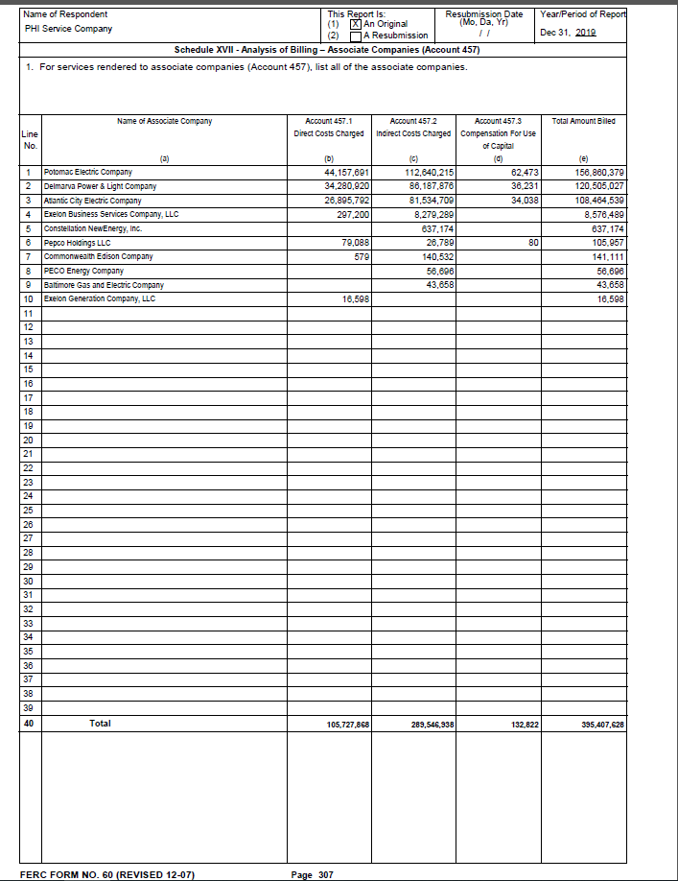
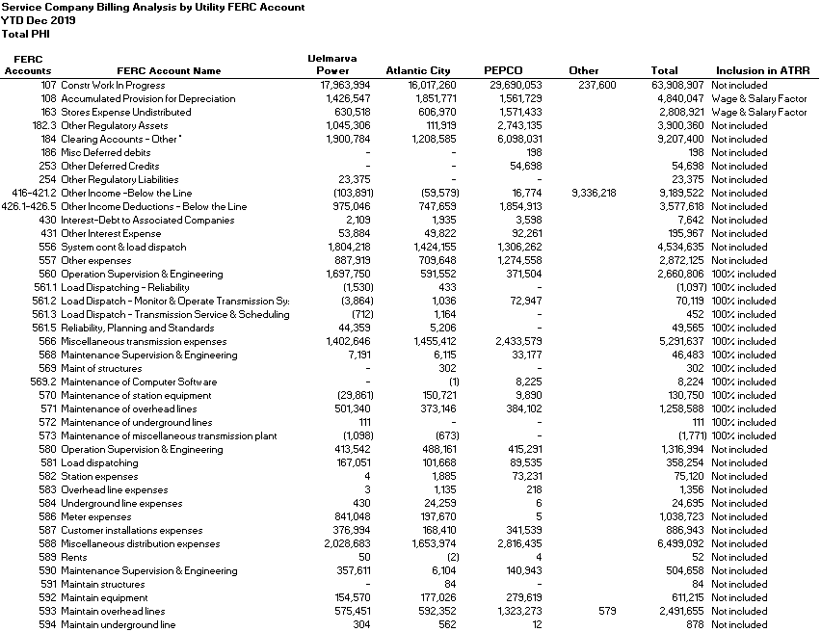
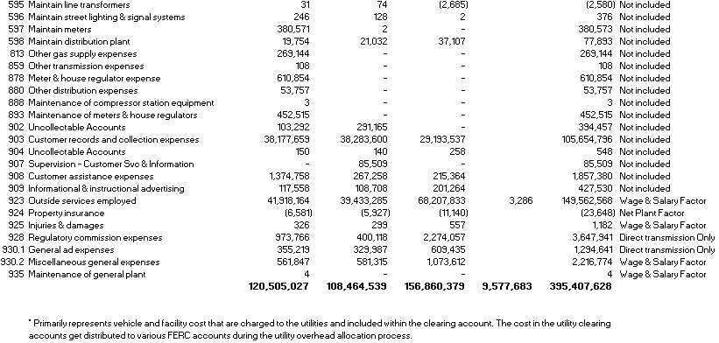
Atlantic City Electric Company

Attachment 5a - Allocations of Costs to Affiliate

 | Delmarva | Atlantic
 | Power | City | Pepco | Other | Total

Executive Management | 1,929,537 | 1,773,167 | 3,294,875 | 4,189 | 7,001,768

Support Services | 8,626,317 | 7,084,800 | 15,276,145 | 8,929,256 | 39,916,518

Financial Services | 7,342,634 | 6,815,575 | 12,627,064 | 114,319 | 26,899,592

Human Resources | 2,890,976 | 1,940,455 | 4,338,456 |  | 9,169,887

Legal Services | 1,424,466 | 1,318,747 | 2,335,250 | 68,899 | 5,147,362

Customer Services | 34,440,116 | 32,631,689 | 23,978,310 |  | 91,050,115

Information Technology | 14,935,213 | 13,563,626 | 23,629,092 | 4,616 | 52,132,547

Government Affairs | 4,282,118 | 4,938,355 | 5,869,562 | 15,960 | 15,105,995

Communication Services | 1,932,707 | 1,682,506 | 3,099,755 | 3,005 | 6,717,973

Regulatory Services | 7,414,502 | 6,777,269 | 10,700,981 | 603 | 24,893,355

Regulated Electric and Gas Operation Services | 34,581,530 | 29,260,143 | 50,013,513 | 436,674 | 114,291,860

Supply Services | 704,911 | 678,207 | 1,697,376 | 162 | 3,080,656

Total | $120,505,027 | $108,464,539 | $156,860,379 | $9,577,683 | $395,407,628

