F.14 FF1 Page
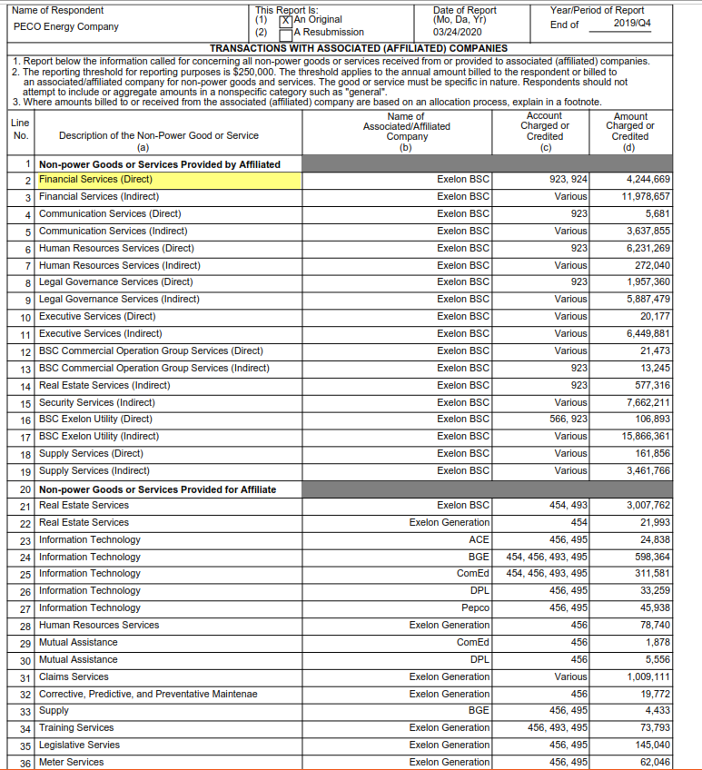
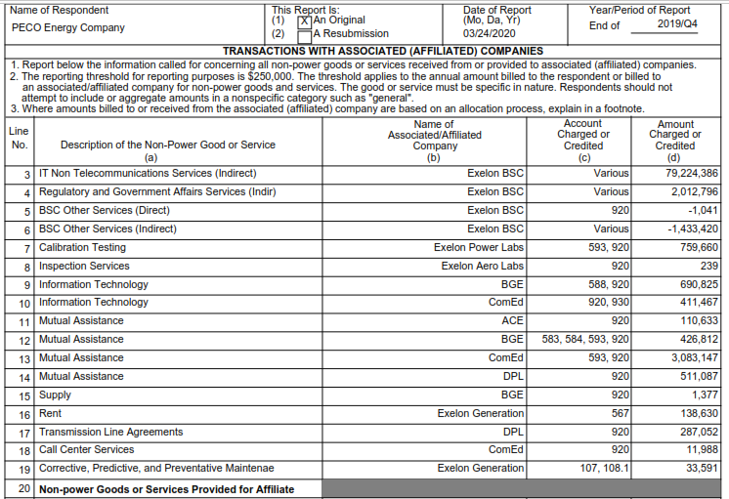
Protocol F.14

F.18 Summary
PECO M&S
As of 12/31/2019

Line # |  | Description |  | Transmission M&S Total | Capital Split | Capital Split with 50% recovery up to $9M (Note L) | O&M Split | Transmission M&S 13 Month Average to Attachment 4
1 |  | December | 2018 | 13,217,723 | 6,664,966 | 3,332,483 | 6,552,757 | 9,885,240
2 |  | January | 2019 | 13,257,628 | 7,085,333 | 3,542,666 | 6,172,295 | 9,714,961
3 |  | February | 2019 | 13,274,321 | 7,094,254 | 3,547,127 | 6,180,067 | 9,727,194
4 |  | March | 2019 | 13,126,282 | 7,015,137 | 3,507,568 | 6,111,145 | 9,618,713
5 |  | April | 2019 | 13,225,663 | 7,068,249 | 3,534,125 | 6,157,413 | 9,691,538
6 |  | May | 2019 | 13,497,507 | 7,213,532 | 3,606,766 | 6,283,974 | 9,890,741
7 |  | June | 2019 | 13,885,185 | 7,420,721 | 3,710,361 | 6,464,464 | 10,174,825
8 |  | July | 2019 | 14,039,476 | 7,503,179 | 3,751,590 | 6,536,297 | 10,287,886
9 |  | August | 2019 | 13,914,484 | 7,436,379 | 3,718,190 | 6,478,105 | 10,196,294
10 |  | September | 2019 | 14,688,636 | 7,850,113 | 3,925,056 | 6,838,523 | 10,763,580
11 |  | October | 2019 | 14,555,065 | 7,778,728 | 3,889,364 | 6,776,337 | 10,665,701
12 |  | November | 2019 | 13,691,021 | 7,316,953 | 3,658,476 | 6,374,068 | 10,032,544
13 |  | December | 2019 | 15,045,584 | 8,040,878 | 4,020,439 | 7,004,706 | 11,025,145
Q4 2019 FF1 tab, line 5; see notes of FF1
Q4 2019 FF1 tab; line 8 of FF1
Total |  |  |  |  |  |  |  | 10,128,797

Note L | From Attachment 4: TLF shall be equal to 50 percent of the lesser of (a) the transmission portion of FERC Form 1, page 227, line 5, column c per FERC Form No. 1) and (b) $9 million. The TLF recovery percentage and cap will be subject to modification only through Commission authorization under section 205 or section 206 of the Federal Power Act.

F.18 Q4 2019 FF1
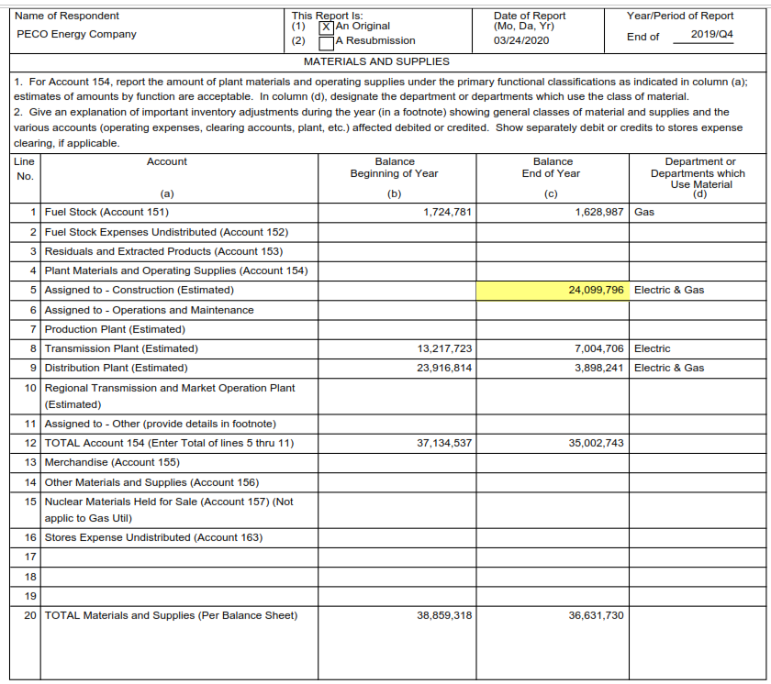

From F.18 Summary

From F.18 Summary

